Sheet1
Vyom Shah
CWID--10446209

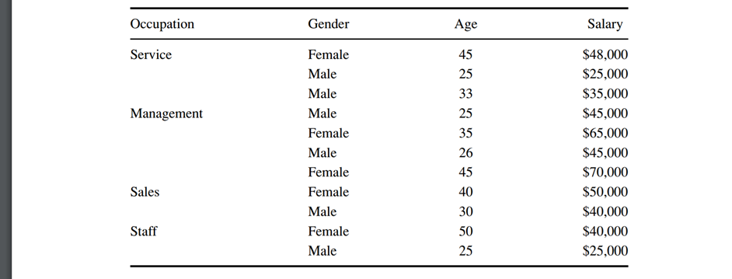

 | Consider the data in Table above (end of chapter 6 or 8). The target variable is salary. Start by discretizing salary and age as follows:
 | Less than $35,000 Level 1
 | $35,000 to less than $45,000 Level 2
 | $45,000 to less than $55,000 Level 3
 | Above $55,000 Level 4

 | 0 – 30 <= 30
 | 31 - 40 <= 40
 | Above 40 <= 50

 | Occupation | Gender | Age | Salary | Salary Level | Age Level
 | Service | Female | 45 | $48000 | 3 | <=50
 | Service | Male | 25 | $25000 | 1 | <=30
 | Service | Male | 33 | $35000 | 2 | <=40
 | Management | Male | 25 | $45000 | 3 | <=30
 | Management | Female | 35 | $65000 | 4 | <=40
 | Management | Male | 26 | $45000 | 3 | <=30
 | Management | Female | 45 | $70000 | 4 | <=50
 | Sales | Female | 40 | $50000 | 3 | <=40
 | Sales | Male | 30 | $40000 | 2 | <=30
 | Staff | Female | 50 | $40000 | 2 | <=50
 | Staff | Male | 25 | $25000 | 1 | <=30

 | SPLIT | PL | PR | Level | P(j|tL) | P( j |tR) | 2PL PR | Q(s|t) | Φ(s|t)
 | Occupation=Service | 0.27 | 0.73 | L1 | 0.33 | 0.13 | 0.4 | 0.58 | 0.23
 |  | 0.27 | 0.73 | L2 | 0.33 | 0.25
 |  | 0.27 | 0.73 | L3 | 0.33 | 0.38
 |  | 0.27 | 0.73 | L4 | 0 | 0.25

 | Occupation=Management | 0.36 | 0.64 | L1 | 0 | 0.29 | 0.46 | 1.43 | 0.66
 |  | 0.36 | 0.64 | L2 | 0 | 0.43
 |  | 0.36 | 0.64 | L3 | 0.5 | 0.29
 |  | 0.36 | 0.64 | L4 | 0.5 | 0

 | Occupation=Sales | 0.18 | 0.82 | L1 | 0 | 0.22 | 0.3 | 0.89 | 0.26
 |  | 0.18 | 0.82 | L2 | 0.5 | 0.22
 |  | 0.18 | 0.82 | L3 | 0.5 | 0.33
 |  | 0.18 | 0.82 | L4 | 0 | 0.22

 | Occupation=Staff | 0.18 | 0.82 | L1 | 0.5 | 0.11 | 0.3 | 1.33 | 0.4
 |  | 0.18 | 0.82 | L2 | 0.5 | 0.22
 |  | 0.18 | 0.82 | L3 | 0 | 0.44
 |  | 0.18 | 0.82 | L4 | 0 | 0.22

 | Gender=Male | 0.55 | 0.45 | L1 | 0.33 | 0 | 0.5 | 0.93 | 0.46
 |  | 0.55 | 0.45 | L2 | 0.33 | 0.2
 |  | 0.55 | 0.45 | L3 | 0.33 | 0.4
 |  | 0.55 | 0.45 | L4 | 0 | 0.4

 | Age<=30 | 0.64 | 0.36 | L1 | 0.14 | 0.25 | 0.46 | 0.93 | 0.43
 |  | 0.64 | 0.36 | L2 | 0.14 | 0.5
 |  | 0.64 | 0.36 | L3 | 0.43 | 0.25
 |  | 0.64 | 0.36 | L4 | 0.29 | 0

 | Age>30 and Age<=40 | 0.45 | 0.55 | L1 | 0.2 | 0.17 | 0.5 | 0.67 | 0.33
 |  | 0.45 | 0.55 | L2 | 0.4 | 0.17
 |  | 0.45 | 0.55 | L3 | 0.4 | 0.33
 |  | 0.45 | 0.55 | L4 | 0 | 0.33

 | Age>30 and Age<=50 | 0.45 | 0.55 | L1 | 0.4 | 0 | 0.5 | 1.27 | 0.63
 |  | 0.45 | 0.55 | L2 | 0.4 | 0.17
 |  | 0.45 | 0.55 | L3 | 0.2 | 0.5
 |  | 0.45 | 0.55 | L4 | 0 | 0.33

 | The best attribute here is Occupation=Management

